Standard Master
# | Document | Page number | Reviewer | Reference e.g. paragraph number, section, figure/table no. | Current text/issue | Proposed change | Review status | Comment | Proposed alternative
1 | Test Standard | All | FV | Version number | Front page, section headers, footers all have "Version 3: 2023" | "Version 3.1: 2026" | To review
2 | Test Standard | Throughout | FV | Minor edits | Minor edits are track changed throughout, rectifying typos/formatting etc | To amend as per tracked changes in the document. | To review
3 | Test Standard | Throughout | FV | Formatting | Formatting within word document provided is not consistent with published document | Formatting to be rectified in line with published version | To review
4 | Test Standard | Throughout | FV | References to sections/figures/tables |  | To be updated if sections/tables/figures are deleted/changed | To review
5 | Test Standard | 2 | FV | Revision History | New revision to add | V3-Rev002 Amendments as detailed in [external document reference] Technical Committee Steering Group [Date of release] | To review
6 | Test Standard | 3 | FV | Steering Committee membership | To ensure correct membership | "Established as part of a UK government research project into heat network efficiency, the Test Standard was, and continues to be, developed under the auspices of a steering group of industry experts: • Kevin Morrissey (BESA) (Chair) • Gareth Jones (FairHeat) (Vice-Chair) • Keegan Farrelly (BESA) (Secretariat) • Ian Spencer (Vital Energi) (MEHNA manufacturer’s representative) • Josu Aurrekoetxea (Hemiko) • Pete Mills (Bosch) (MEHNA manufacturer’s representative) • Phil Jones (representing CIBSE & DESNZ) • Steve McConnell (MEHNA) Previous members of the Steering Committee who contributed to the development of the third version of the Test Standard should also have their contributions noted: • Amita Mehta (Peabody) • Graeme Fox (BESA) • Stephen Hutchins (EQUANS) • Tim Starley-Grainger (LB of Haringey)" | To review
7 | Test Standard | 3 | FV | Technical Committee membership | To ensure correct membership | "The detailed work that underpins the Test Standard, and the changes that have been made throughout the project, has been carried out by a technical committee of industry experts: • Gareth Jones (FairHeat) (Chair) • Valeria Khnykina (FVB) (Vice-Chair) • Freddie Valletta (FairHeat) (Technical Lead) • Ethan St Catherine (FairHeat) (Secretariat) • Adam Gleeson (Enertek) • Christer Frennfelt (SWEP) • Ian Robinson (Baxi) (MEHNA manufacturer’s representative) • Josu Aurrekoetxea (Hemiko) • Keegan Farrelly (BESA) • Kevin Morrissey (BESA) • Neil Gatland (Herz) (MEHNA manufacturer’s representative) • Paul Needley (Enertek) • Simon Broxham (Enertek) • Tom Naughton (FairHeat) Previous members of the Technical Committee who contributed to the development of the third version of the Test Standard should also have their contributions noted: • Colin Judd (BSRIA) • Dmitriy Mostovoy (Metropolitan) • Graeme Fox (BESA) • Henrik Persson (RISE) • Robert Hunter (Orka Building Services) • Dr Steffan Cook (BIA Energy Consulting) • Wayne Early (Buro Happold)" | To review
8 | Test Standard | 4 | FV | Acknowledgements | To update wording | • Gareth Jones (Chair) • Valeria Khnykina (Vice-Chair) • Phil Jones (Lead Editor) • Freddie Valletta (Technical Editor) • Tom Naughton • Josu Aurrekoetxea • Christer Frennfelt • Ian Robinson • Wayne Early • Samuel Bryce | To review
9 | Test Standard | 5 | FV | Foreword | To update wording | See edits in marked up doc | To review
10 | Test Standard | 6 | FV | Contents |  | To update based on other changes to the document. | To review
11 | Test Standard | 7, 8 | FV | Introduction | To update wording | See edits in marked up doc (note that the document provided misses text that is included in the standard and needs to be readded). After text within missing blue box, insert: “The relevant version of each module document for each version of the Test Standard is also published on the BESA website.” | To review
12 | Test Standard | 10 | FV | Voluntary section | To update wording to include direction of travel | See edits in marked up doc | To review
13 | Test Standard | 11 | FV | PCDB |  | "At the time of the release of this document, the PCDB process is still to be confirmed but it is intended to be made available to manufacturers before the end of 2023" to be deleted | To review
14 | Test Standard | 11 | FV | Section 2 additional docs to mention |  | Wording on additional documentation to refer to, to confirm wording and which ones with Phil e.g.: complaints procedure query procedure Results interpretation mehna hiu | To review
15 | Test Standard | 12, 13 | FV | Major changes | Text and table on pg 12, 13 can be deleted as there are no major changes in this version | To delete text and table on pg 12 & 13 Section to be renamed "Summary of Pass/Fail Thresholds" | To review
16 | Test Standard | 14 | FV | Pass/fail thresholds list | Addition of new pass/fail thresholds in list | "Indirect space heating average temperature (introduced in V3.1) Indirect and Direct space heating mix down temperature stability (indirect stability introduced in V3.1)" | To review
17 | Test Standard | 16 | FV | Pass/fail thresholds explanations | Addition of new pass/fail thresholds in text | See edits in marked up doc for "Indirect space heating average temperature" and "Space Heating (Indirect) Temperature Stability" | To review
18 | Test Standard | 16 | FV | VWARTs | Amendment of DHW VWART Amendment of Space Heating (indirect) VWART | High temp to 20 and low temp to 25 Both 40 to 37 | To review
19 | Test Standard | 17,18 | FV | Table 3 summary of pass/fail | Adddition of new pass/fail criteria | See edits in marked up doc (11a/b vwart changes 01a-01f temp stability and VWARTs) page breaks to fix | To review
20 | Test Standard | 19 & 49 | FV | Tables 3 & 11 | Wording for test 13 pass/fail criterion is unclear: “DHW (at t₃₂) is less than 50 °C ± 1.0 °C (to one decimal place)…” | “DHW (at t32) is not maintained to 50 °C ± 1.0 °C at 0.13 l/s flow rate…” | To review
...
 |  |  |  |  | Current text/issue | Proposed change | Review status | Comment | Proposed alternative
 |  |  |  |  | Previous comment left in on word doc | To be deleted as per edits | To review
 |  |  |  |  | Sections 8, 9 & 10 and tables 6, 7, 8, 9 & 10 should be able to be combined and consolidated into a single section and fewer tables and text. Table 6 is the most expendable and the sections and text will need shifting round. | To be drafted | To review
 |  |  |  |  | Coloured text no longer required Formatting and alignment doesn't match with published doc | Coloured text to be removed Formatting and text alignment to be updated in line with published doc | To review
 |  |  |  |  | Heating module 7 incorrectly named as hot water module 1 (not in published doc but present in this doc | HOT WATER MODULE 7-DH70-KWarm | To review
 |  |  |  |  | Text present that doesn't add anything to the section | "The module selection menu is shown in section 10, and the detailed tests in each module are provided in separate documents: • MODULE M1 Space Heating • MODULE M2 Space Heating • MODULE M3 Space Heating • MODULE M4 Space Heating • MODULE M5 Space Heating • MODULE M6 Space Heating • MODULE M7 DHW • MODULE M8 DHW • MODULE M9 DHW • MODULE M10 DHW" TO BE DELETED | To review
 |  |  |  |  | Text to be added to confirm that relevant module document versions associated with each test standard version will be published on the besa website. | Text to add to "manufacturers test menu" section: "• The specification for each of the modules are contained within separate documents for each module. The relevant version of each module document for each version of the Test Standard is published on the BESA HIU website." | To review
 |  |  |  |  | Confirm current editions | See edits in marked up doc | To review
 |  |  |  |  | Test Reporting and Assessment Criteria heading | can be deleted | To review
 |  |  |  |  | Additional clairty on reporting, which will facilitate Table 11 to be deleted | See edits in marked up doc | To review
 |  |  |  |  | Table 11 is repeated within the module documents and will need updating every time a module is updated, therefore can be deleted | To be deleted | To review
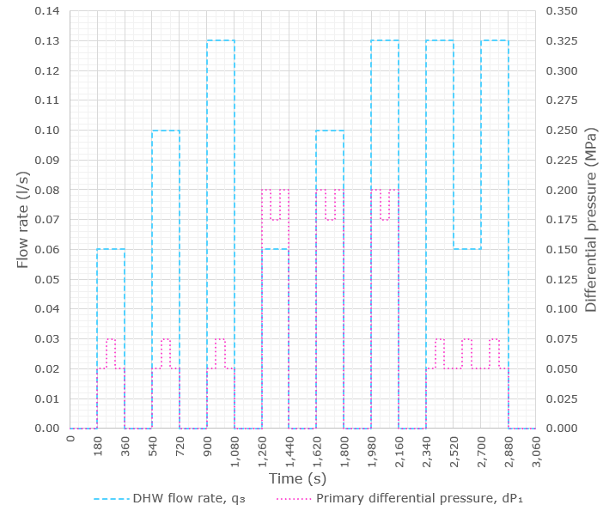
 |  |  |  |  | Additional docs to reference | Phil to confim which additional docs need to be referenced e.g: e.g.: V3 of test TS1 HNTAS docs Bs8635 part 2 Interpretation doc Complaints/queries process MEHNA guide MMS | To review
 |  |  |  |  | Additional definitions to add | Phil to confirm which HNTAS specific wording/definitions need to be added | To review
 |  |  |  |  | Subscripts for H₂ and H₃ for space heating and DHW power reversed "H₂ Arithmetic mean of DHW power recorded during test" "H₃ Arithmetic mean of space heating power recorded during test" | Reverse definitions so rows in table read: "H₂ Arithmetic mean of space heating power recorded during test" "H₃ Arithmetic mean of DHW power recorded during test" | To review
 |  |  |  |  |  | tb1 to be subscript | To review
 |  |  |  |  | Clarity requested to be added to diagram to fully indicate what sections A and B are referring to. | Diagram to be amended | To review
 |  |  |  |  |  | Formatting to be rectified | To review
 |  |  |  |  | - Incorrect reporting precision for differential pressure given (1 d.p. not nearest whole number) - Missing precision for power, H - Volume flow deviation indicated as +/- 5 K in this doc but not in main doc | - Change from 1 d.p. to nearest whole number (change from "1.0 kPa" to "1 kPa") - Include row in table for the reporting precision of power, which is 0.1 kW (except in test 21a/b when 0.01 kW is required for overall HIU energy losses) - ±5K to change to ±5% | To review
 |  |  |  |  |  | Line spacing and alignment to rectify | To review
 |  |  |  |  | Graph has errors that have previously been picked up in an addendum that has been published on the BESA website | See addendum document with amended graph in with correct dP profiles and updated increments on both axes. Also copied to the right | To review
 |  |  |  |  | Slight amend to Water Regulation certification process as previously agreed by the Technical Committee | See edits in marked up doc | To review
 |  |  |  |  | Nomenclature repeated in App A | Nomenclature table to delete | To review
 |  |  |  |  | Formatting not consistent with published document | Formatting to amend | To review
 |  |  |  |  | Diagram formatting is inconsistent with published version Phil mentioned an updated version might be contained within updated HNTAS documentation which should be utilised here. | Phil to confirm updated version of diagrams. | To review
 |  |  |  |  |  | To update based on other changes to the document. | To review
 |  |  |  |  |  | Format to amend to align with published document | To review

